1. Title Page
[Project Name]

Project Name:
Date: 06/06/23
Analyst Name: Joy Matibiri

Contents:
Population Flow
Consistency checks
Wrangling steps
Column derivations
Visualizations
Recommendations

2. Population Flow
 |  |  | Title page

Population flow

Exclusion flag
Condition: max_order <
Obervations to be removed:
Final total count of order_products_all:

Orders_products_all
Orders_products_combined
Orders_products_merged

Total:
Total:
Total:

32640698 | 32642461 | 32642461

1.) The grey boxes in the first row of the population flow represent the original data sets as they were when you downloaded them. In the Total fields you need to add the count of the rows when you imported the data set into Jupyter.
2.) The second row of boxes (coloured) represents the data sets after you manipulated them, e.g., removed missing values and duplicates. In the Total fields you need to add the count of the rows after conducting these operations. This offers a visual oveview of how the data flows throughout the data consistency checks.
3.) The third row, where also the arrows are coloured, represents the merges you performed between the datasets. In the Total fields you need to add the count of the rows in the merged datasets, so that you end up with the final dataset (in the red box). Keep in mind the final dataset should be without exclusions (based on the exclusion flag).

3. Consistency checks
 |  |  |  | Title page
Consistency checks

Dataset | Missing values | Missing values treatment | Duplicates
orders | n/a |  | none found
products | 16 | removed from the dataframe | 5 found and subsequently removed
orders_products_prior | n/a
customers | none |  | none

4. Wrangling steps
 |  |  |  | Title page
Wrangling steps

Columns dropped | Columns renamed | Columns' type changed | Comment/Reason
 | fam_status -> marital_status |  | fam_status ambiguous as it could mean children .etc.
eval_set |  |  | Data not necessary for further analysis.
 | Surnam -> last_name
 | orders_dow -> orders_day_of_week |  | to make it clear at glance what the column represents.
unnamed: 0 |  |  | irrelevant column.

5. Column derivations
 |  |  |  | Title page

Column derivations and aggregations

In this tab you should add tables below that the frequences of flags/label variables that you produced after deriving them. NB: don't do this for continuous variables, only for flags.
Dataset | New column | Column/s it was derived from | Conditions
orders_products_merged | Loyalty flag | user_id & order_number | max_order > 40 = loyal
 |  |  | max_order <= 40 AND > 10 = regular customer
 |  |  | max_order <= 10 = new customer

 | Spending flag | user_id & prices | mean price < 10 = low spender
 |  |  | mean price >= 10 = High Spender

 | Customer Frequency | user_id & days_since_prior_order | median_days > 20 = non-frequent customer
 |  |  | median days <= 20 AND > 10 = regular customer
 |  |  | median days <= 10 = frequent customer

 | Income variable | income | income < 100000 = low earner
 |  |  | income >/= 100000 AND < 200000 = average earner
 |  |  | income >/= 200000 = high earner

6. Visualizations
 |  |  |  |  |  |  |  |  |  |  | Title page

Visualisations

In this tab you should include all the visualtions from Exercises 4.9 and 4.10, alongside the questions from the project brief that they answer. Include any commentary on the relationship between different variables.

1. Busiest days of the week and hours of the day are (i.e., the days and times with the most orders) in order to schedule ads at times when there are fewer orders.

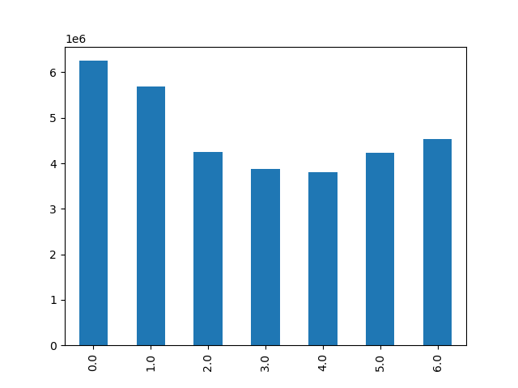


 |  |  |  |  | 0 | 1 | 2 | 3 | 4 | 5 | 6
 |  |  |  |  | Saturday | Sunday | Monday | Tuesday | Wednesday | Thursday | Friday

 |  |  |  |  | According to this bar chart, the busiest days are;
 |  |  |  |  | Saturday & Sunday.
 |  |  |  |  | Least busy days are:
 |  |  |  |  | Tuesday & Wednesday

 |  |  |  |  |  |  |  |  | Busiest times of the day are
 |  |  |  |  |  |  |  |  | 0900 and 1600
 |  |  |  |  |  |  |  |  | Least busy times are:
 |  |  |  |  |  |  |  |  | 0000 to 0800, and
 |  |  |  |  |  |  |  |  | 1700 to 2300

2. Times of the day when people spend the most money, as this might inform the type of products they advertise at these times.

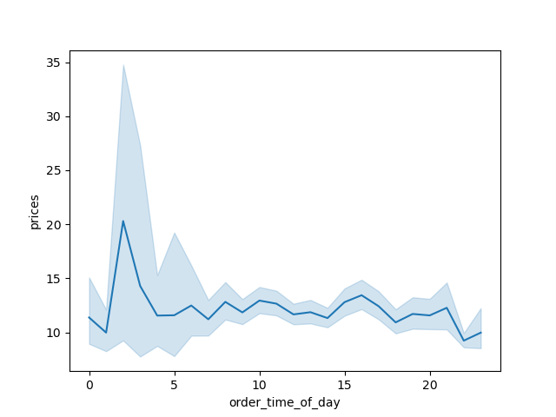

 |  |  |  |  |  | Times when people spend most money:
 |  |  |  |  |  | 0100 to 1500

3. Marketing and sales want to use simpler price range groupings to help direct their efforts.



 |  |  |  |  |  |  | This is showing the prices.
 |  |  |  |  |  |  | It is clear that the order frequency is low for higher priced items.

4. Are there certain types of products that are more popular than others? The marketing and sales teams want to know which departments have the highest frequency of product orders.

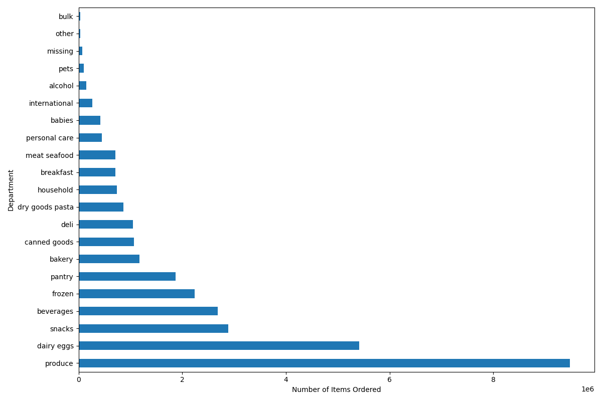

 |  |  |  |  |  |  |  |  |  | According to Bar, the best performing departments are:
 |  |  |  |  |  |  |  |  |  | Produce, eggs, snacks, beverages & pantry items.
 |  |  |  |  |  |  |  |  |  | The aformentioned have the highest frequency of product orders.

5 a) What’s the distribution among users in regards to their brand loyalty (i.e., how often do they return to Instacart)?

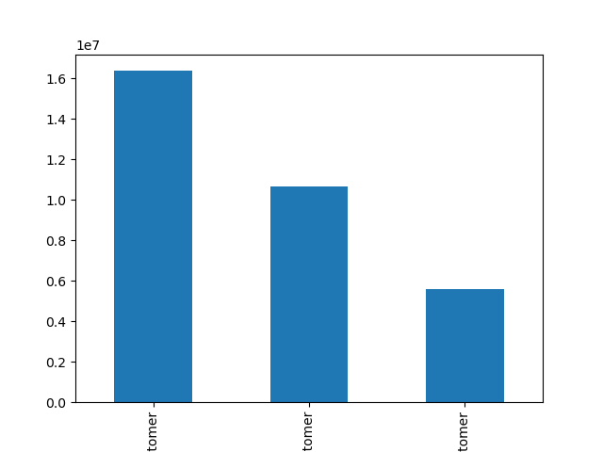

 |  |  |  |  |  |  | This bar chart is showing the loyalty of the cutomers based on
 |  |  |  |  |  |  | how regular their visits are to the site.
 |  |  |  |  |  |  | From this we can see that regular customers return more frequently compared to
 |  |  |  |  |  |  | loyal and new customers.

 | Regular customer |  | Loyal customer | new customer

b) Are there differences in ordering habits based on a customer’s loyalty status?

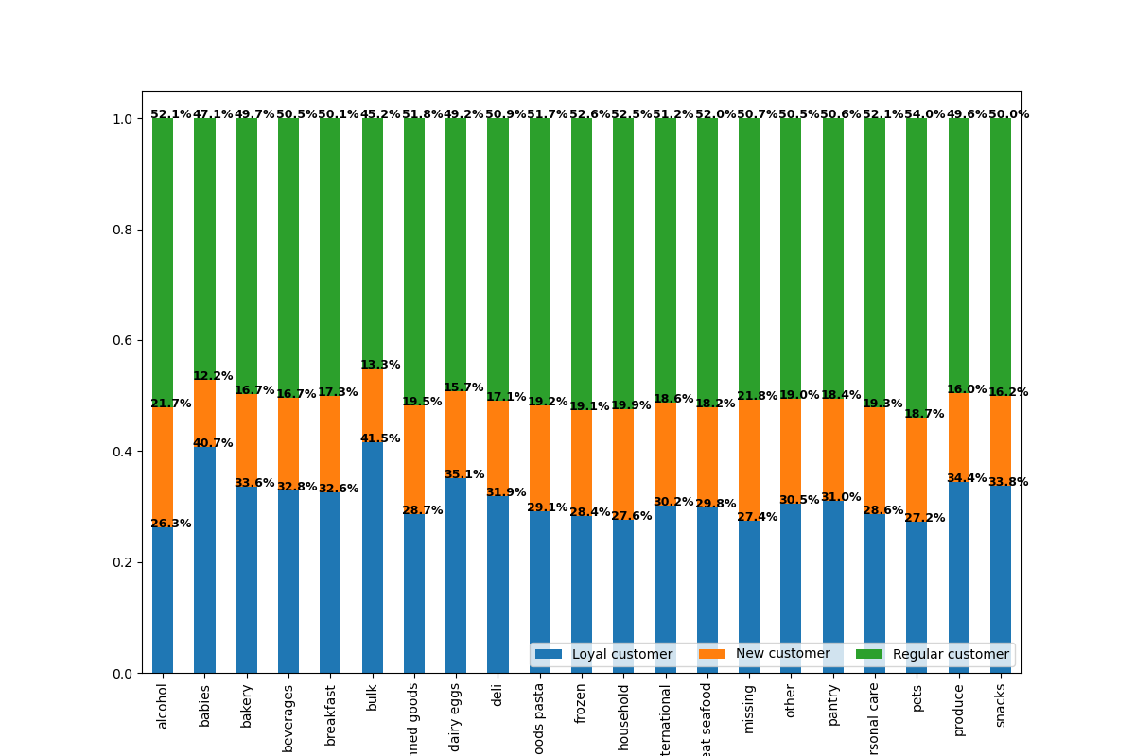

 |  |  |  |  |  |  |  |  | Regular customers ordered more products in each department
 |  |  |  |  |  |  |  |  | compared to Loyal and new customers.

c) Are there differences in ordering habits based on a customer’s region?

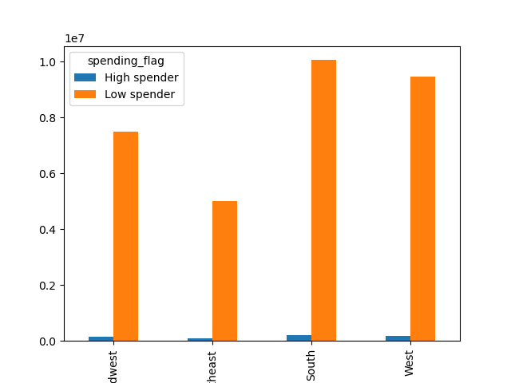

 |  |  |  |  |  |  | This graph shows the relationship between
 |  |  |  |  |  |  | amount spent and the region.
 |  |  |  |  |  |  | Based on this graph we see that both groups
 |  |  |  |  |  |  | have a higher frequency of orders in the West and South.

d) Is there a connection between age and family status in terms of ordering habits?
habits?
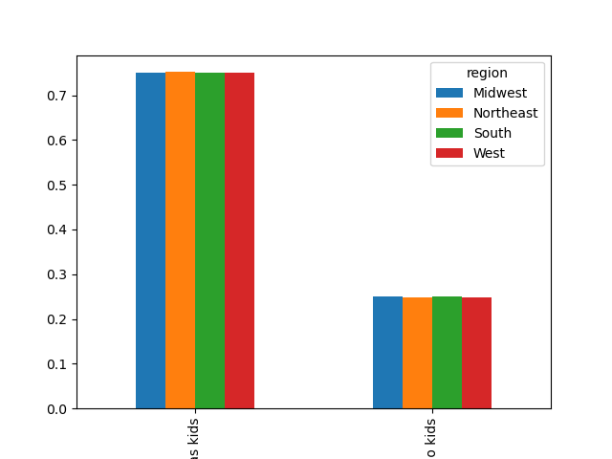
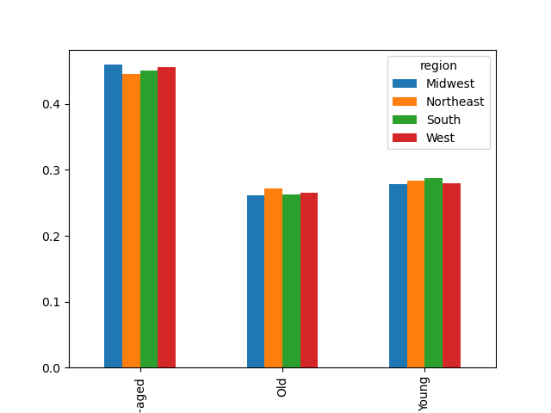

 |  |  |  |  |  | Based on this it is clear that across the
 |  |  |  |  |  | regions, those with kids make more
 |  |  |  |  |  | frequent food orders.

 |  |  |  |  |  |  |  | Those who are middle_aged have a higher
 |  |  |  |  |  |  |  | order frequency compared to the young adults
 |  |  |  |  |  |  |  | and old people.

e) What different classifications does the demographic information suggest? Age? Income? Certain types of goods? Family status?
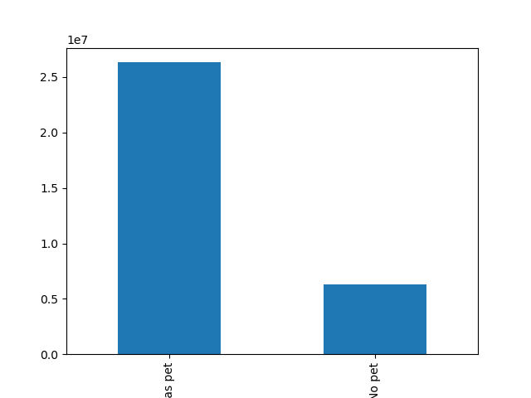
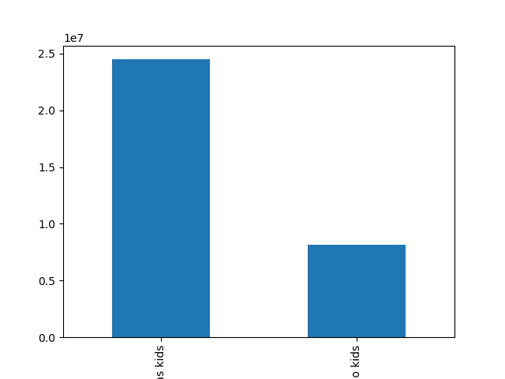

 |  |  |  |  |  |  | Roughly 75% of our customers have pets.

 |  |  |  |  |  |  |  | roughly 62% of our cutomers have kids.

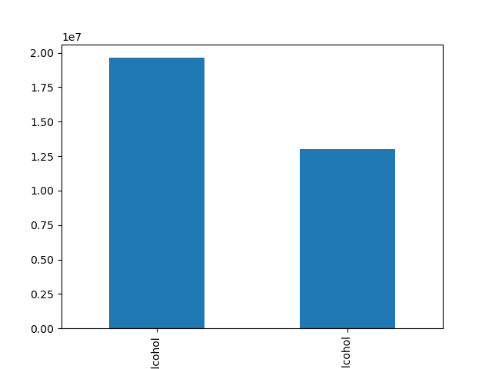
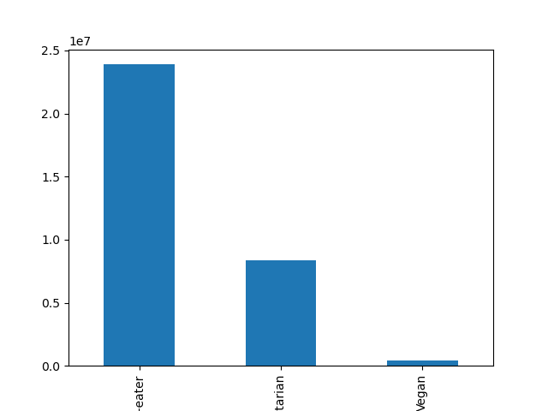

 |  |  |  |  |  |  | over 55% of our customers drink alcohol.

 |  |  |  |  |  |  |  | Roughly 70% of our customers are meat eaters
 |  |  |  |  |  |  |  | roughly 25% are vegeterian
 |  |  |  |  |  |  |  | roughly 5% are vegan

 |  | Alcohol |  | No Alcohol

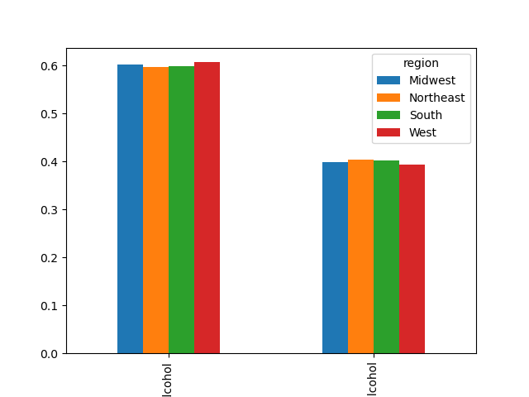
f) What differences can you find in ordering habits of different customer profiles? Consider the price of orders, the frequency of orders, the products customers are ordering, and anything else you can think of.

 |  |  |  |  |  | Ordering habits based on Age and region.
 |  |  |  |  |  | We see that the regions behave similarly
 |  |  |  |  |  | for the same age groups.
 |  |  |  |  |  | Middle-aged have a higher order frequency comparatively

 |  |  |  |  |  |  |  | Those who drink have a higher order
 |  |  |  |  |  |  |  | frequency across the regions.

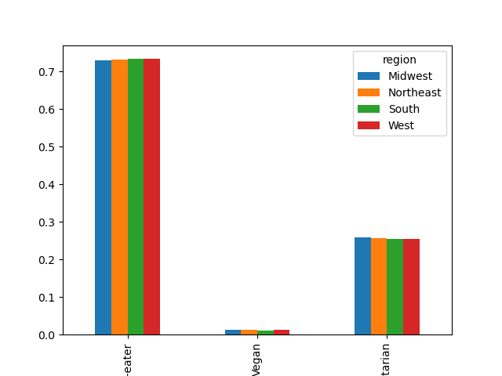

 |  |  |  |  | Meat eaters have a higher order
 |  |  |  |  | frequency across the regions

 |  |  |  |  |  |  |  | Those with kids have a higher order
 |  |  |  |  |  |  |  | frequency.

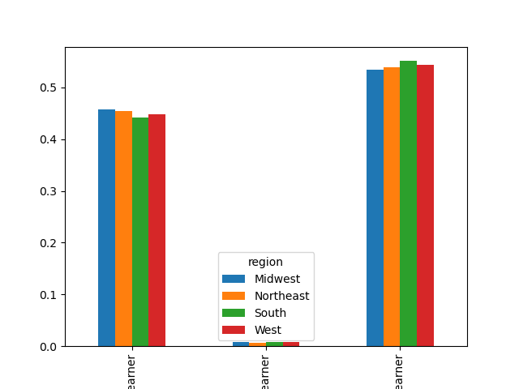
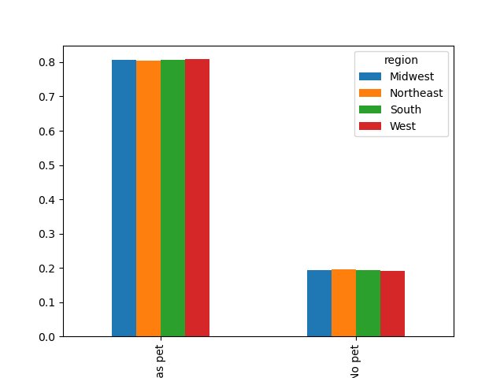

 |  |  |  |  |  | Low earners have a higher order frequency
 |  |  |  |  |  | in comparison to high and average earners.

 |  |  |  |  |  |  | Those with pets have a higher order
 |  |  |  |  |  |  | frequency compared to those without.

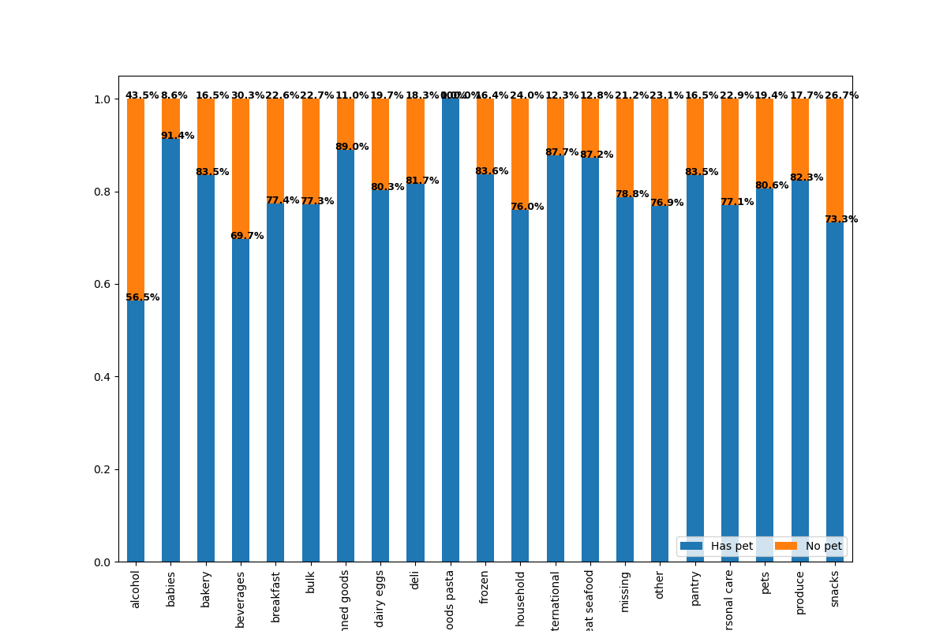

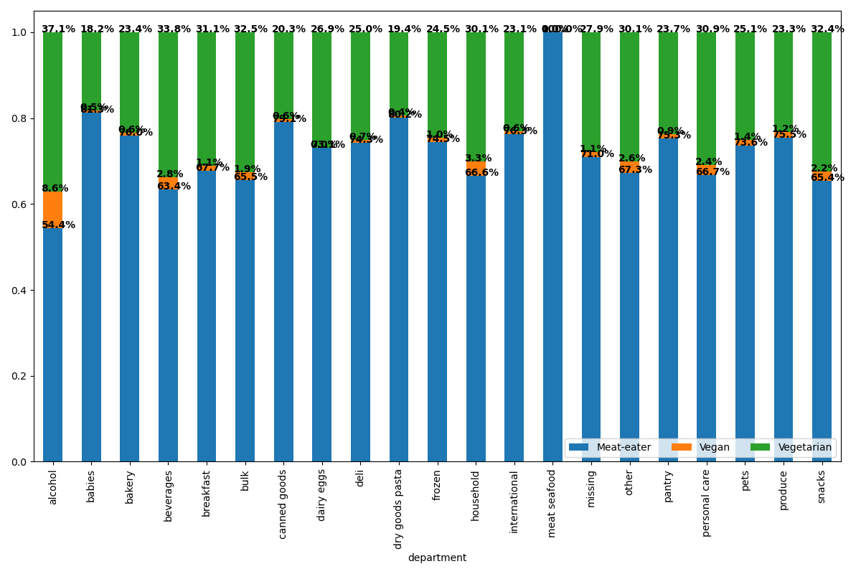

 |  |  |  |  |  |  |  |  | In each department, those with
 |  |  |  |  |  |  |  |  | pets have a higher order
 |  |  |  |  |  |  |  |  | frequency.

 |  |  |  |  |  |  |  |  | meat-eaters have a higher order frequency
 |  |  |  |  |  |  |  |  | in each department.

7. Recommendations
 |  | Title page

Recommendations

In this tab you should include any recommendations you would made to Instcart in terms of their marketing strategy based on the questions posed in the brief. Every key question has been covered in the Tasks of the Exercises - here you need to add an item - a visualisation or table/crosstable that is showing the answer in the data, acompanied by a comment from you. Please, list the questions below and add the answer underneath.

Question | Answer
Key Question 1 | Schedule ads on Tuesdays and Thursdays (least orders days of the week), and between 1700 and 0800.
Key Question 2 | Times with high value purchase items is between 0100 and 0300.
Key Question 3 | Low and mid priced items have a higher order frequency than those with a lower order frequency. Our suggestion is to direct efforts and focus to those groups.
Key Question 4 | Produce, eggs, snacks, beverages & pantry items have the highest order frequency compared to other departments.
Key Question 5 | Based on the demographic of customers, there is a higher order frequency among those who have kids, are middle aged, are low-earners, drink alcohol and are meat eaters.

